
 |  |  |  | CODE: | PF02325BC aa SN from 98E100
DESCRIPTION:
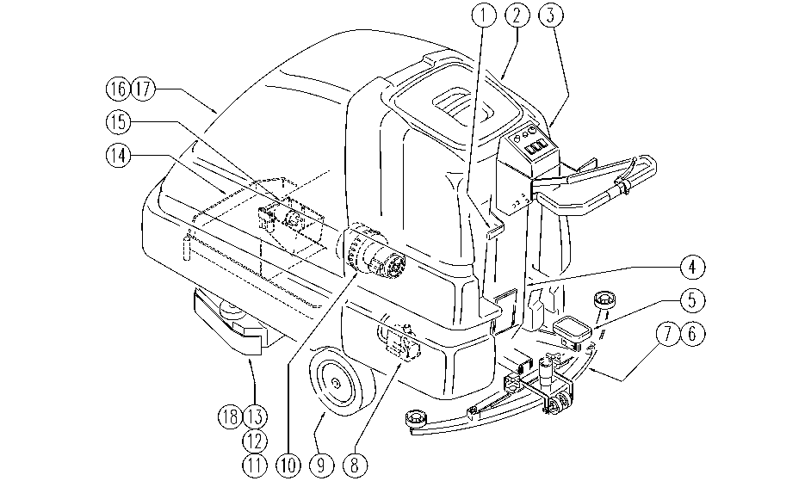

REF. | CODE | DESCRIPTION | QT
1 | PL1098 | SQUEEGEE LIFT
2 | PL1248 | TANK
3 | PL1267 | ELECTRIC UNIT 1
4 | PL1268 | ELECTRIC UNIT 2
5 | PL1246F | HEAD LIFT
6 | PL1253 | SQUEEGEE
7 | PL1099 | SQUEEGEE SUPPORT
8 | PL1017 | PUMP
9 | PL1273 | DRIVE UNIT AND BRAKE
10 | PL1101 | SUCTION
11 | PL1239 | HEAD: AXLE PULLEY
12 | PL1265 | HEAD: MOTOR
13 | PL1266 | HEAD: FLAP AND BOX
14 | PL1272F | FRAME
15 | PL1269 | ELECTRIC UNIT 3
16 | PL1157 | HOOD LIFTING
17 | PL1280BC | EXTERNAL PARTS
18 | PL1254 | BRUSHES
 | WD27185-1 | ELEC. SCHEMATIC DIAGRAM

